Applied Probability-Business
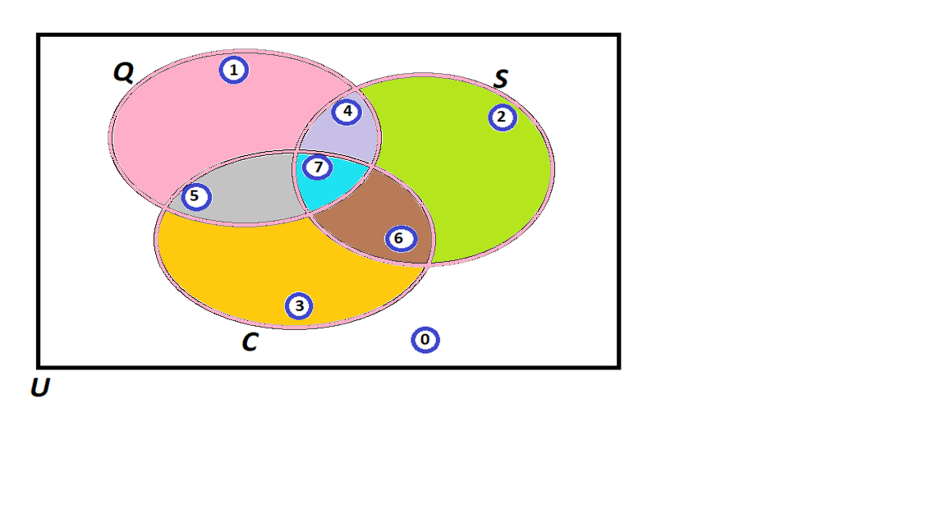
=3
=5
=5
=3
=7
=11
=8
=8
PIP | Quality Score P(Q) | Process Days P(S) | Project Cost P(C ) | Event of Interest: | Notation for the Probability of the given event: | Count: | Probability/Percentage
1 | 144 | 10 | 299839 | Event Q: Quality is satisfied if Quality Score > 600 | P(Q) | 19 | 38.0%
2 | 302 | 21 | 239108 | Event S: Speed is satisfied if Speed < 11 days | P(S) | 22 | 44.0%
3 | 357 | 10 | 222737 | Event C: Cost id satisfied if Cost < $193,000 | P(C) | 20 | 40.0%
4 | 726 | 4 | 446830 |  | Notation for the Probability of the given event: | Count: | Probability/Percentage
5 | 468 | 9 | 122586 | P(Score = 0) | P(0)= 1 - [P(1)+P(2)+P(3)+P(4)+P(5)+P(6)+P(7)] | 8 | 16.0%
6 | 140 | 10 | 394960 | P(Score = 1) | P(1)= P(Q) - P(4) - P(5) - P(7) | 8 | 16.0%
7 | 656 | 22 | 366513 | P(Score = 2) | P(2)= P(S) - P(4) - P(6) - P(7) | 11 | 22.0%
8 | 960 | 18 | 55461 | P(Score = 3) | P(3)= P(C) - P(5) - P(6) - P(7) | 7 | 14.0%
9 | 876 | 8 | 138821 | P(Score = 4) | P(4)= P(Q ∩ S) - P(7) | 3 | 6.0%
10 | 557 | 11 | 442224 | P(Score = 5) | P(5)= P(Q ∩ C) - P(7) | 5 | 10.0%
11 | 964 | 21 | 186067 | P(Score = 6) | P(6)= P(S ∩ C) - P(7) | 5 | 10.0%
12 | 426 | 14 | 217960 | P(Score = 7) | P(7)= P(Q ∩ S ∩ C) | 3 | 6.0%
13 | 233 | 21 | 365636 |  | TOTAL: | 50 | 100.0%
14 | 287 | 21 | 66360 |  | Notation for the Probability of the given event: | Count: | Probability/Percentage
15 | 932 | 21 | 181908 | a) Of those who satisfied Speed, what percentage also satisfied Quality? | 𝑃(𝑄|𝑆)= 𝑃(𝑄∩𝑆)/𝑃(𝑆) = [P(4)+P(7)]/P(S) | 6 | 27.27%
16 | 697 | 17 | 424914 | b) Of those who satisfied Quality, what percentage also satisfied Cost? | 𝑃(C|Q)= 𝑃(C ∩ Q) / 𝑃(Q)= [P(5)+P(7)]/ P(Q) | 8 | 42.11%
17 | 921 | 15 | 86095 | c) Of those who satisfied Speed, what percentage also satisfied Quality but did not satisfy the Cost? | = P(4)/P(S) | 3 | 13.64%
18 | 485 | 20 | 201084 | d) Of those who satisfied Cost, what percentage also satisfied Quality but did not satisfy theSpeed? | = P(5)/P(C) | 5 | 25.00%
19 | 256 | 8 | 280930 | e) Of those who did not satisfy Cost, what percentage satisfied Quality and Speed? | = [P(1)+P(2)+P(4)]/[1-P(C)] | 22 | 73.33%
20 | 443 | 10 | 353402 | f) What percentage satisfied exactly one of the three criteria? | =P(1)+P(2)+P(3) | 26 | 52.00%
21 | 352 | 11 | 444796 | g) Of those who satisfied at least two of the three criteria, what percentage satisfied exactly two criteria? | =[P(4)+P(5)+P(6)] / [P(4)+P(5)+P(6)+P(7)] | 13 | 81.25%
22 | 984 | 22 | 389163 | h) Of those who did not satisfy Cost, what percentage satisfied the Quality criterion? | =[P(1)+P(4)]/[1-P(C )] | 11 | 36.67%
23 | 240 | 4 | 43920
24 | 881 | 5 | 45270
25 | 439 | 20 | 163601
26 | 181 | 5 | 430698
27 | 924 | 6 | 133006
28 | 94 | 14 | 51913
29 | 778 | 22 | 247877
30 | 882 | 22 | 134797
31 | 481 | 14 | 387459
32 | 435 | 7 | 61921
33 | 791 | 17 | 303490
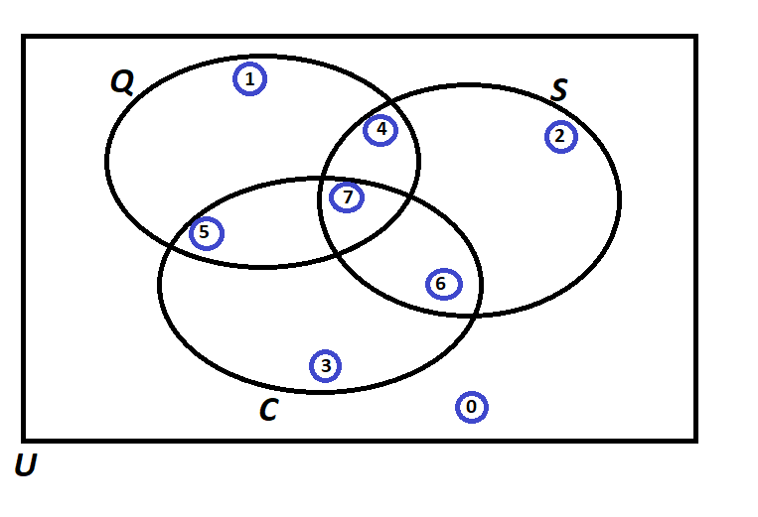
34 | 475 | 5 | 287888
35 | 450 | 7 | 353156
36 | 775 | 17 | 426197
37 | 71 | 4 | 182416
38 | 932 | 4 | 370909
39 | 634 | 11 | 404660
40 | 341 | 17 | 92468
41 | 384 | 9 | 257994
42 | 642 | 10 | 247462
43 | 112 | 12 | 343220
44 | 126 | 17 | 130577
45 | 247 | 12 | 89963
46 | 918 | 17 | 311866
47 | 72 | 7 | 441039
48 | 74 | 7 | 243117
49 | 308 | 7 | 34443
50 | 377 | 18 | 132433

Probability Rules
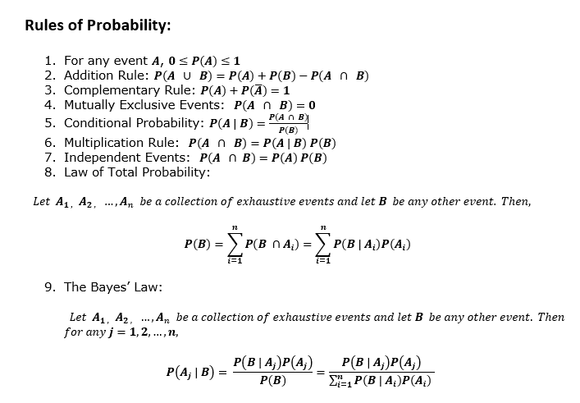
Probability

